Sheet1
 |  | Document No. | Issue No. | Issue Date |  | Review and Replace Date |  | Authorised By
 |  | GFF223MC | 2 | 23.09.2020 |  | 18.10.2021 |  | Magda Shah
 |  | Document Title | 8 SALT & PEPPER CHICKEN WITH SWEET CHILLI DIP 240g
Document amendments reason for change |  | Document reviewed and shelf life updated |  |  | Page 1 of 1 | Previous Issue Date | 2020-09-23 | Uncontrolled copy unless signed original

CCSPB-R1TEB | BOOTHS-XMAS |  | 8 SALT & PEPPER CHICKEN WITH SWEET CHILLI DIP 240g
STEP 1 |  |  |  |  | STEP 2
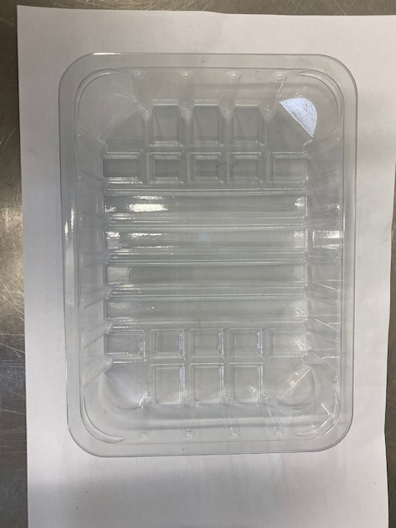 |  |  |  |  | 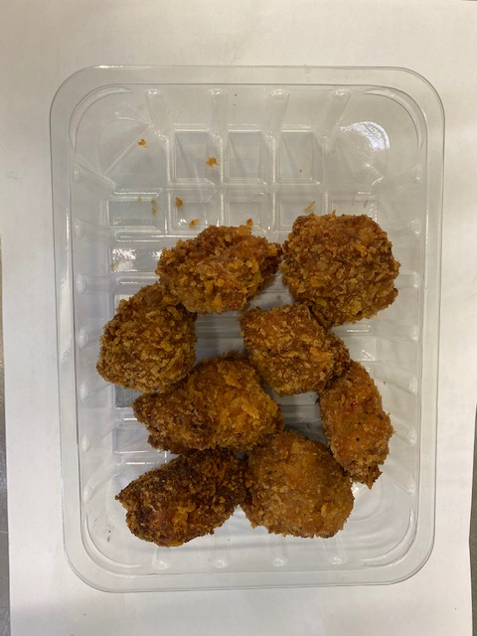

Tray: SK4-PLAIN CLEAR (PKESS001-07) |  |  |  |  | Salt & Pepper Chicken Bites (GFF331R): 200g Minimum 8 pieces
Film: ME410AFV2, 410mm wide x 1000m linear PET Antifog WELD seal (PKPRO001-12)
STEP 3 |  |  |  |  | STEP 4
FROZEN
1 YEAR
 |  |  |  |  | 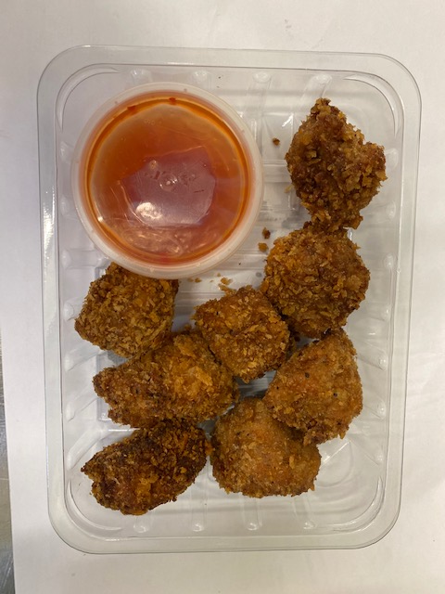

DEFROST DAY
+ 16 DAYS

COOK
+ 18 DAYS

Sweet Chilli Dip - R2 (GFF109R): 40g |  |  |  |  | TOTAL WEIGHT: 240g
Satco 2oz Pots with Lids (PKJEN001-03)
ALLERGY ALERT: Soya, Sulphites, Wheat

